Test Cases - Funtional
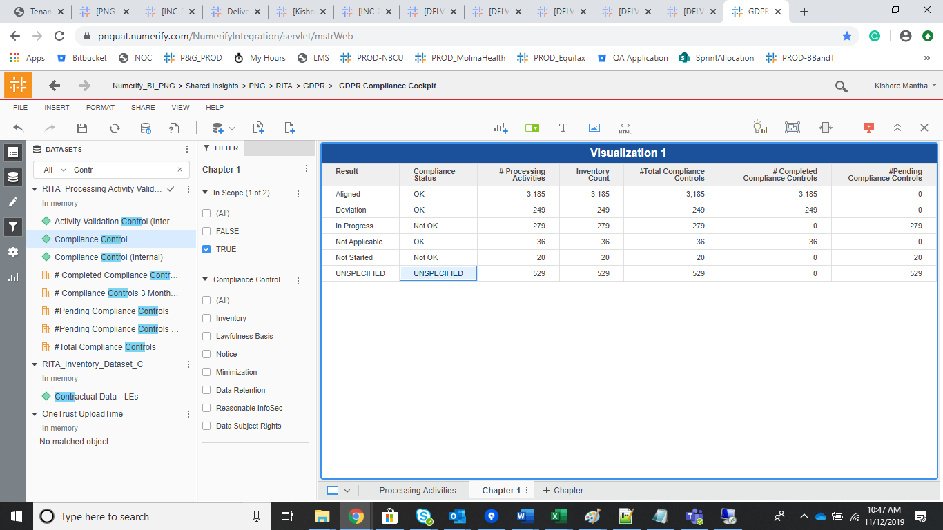
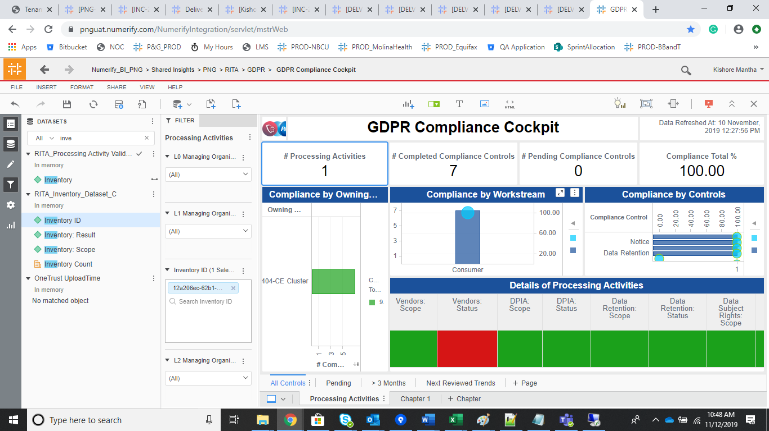
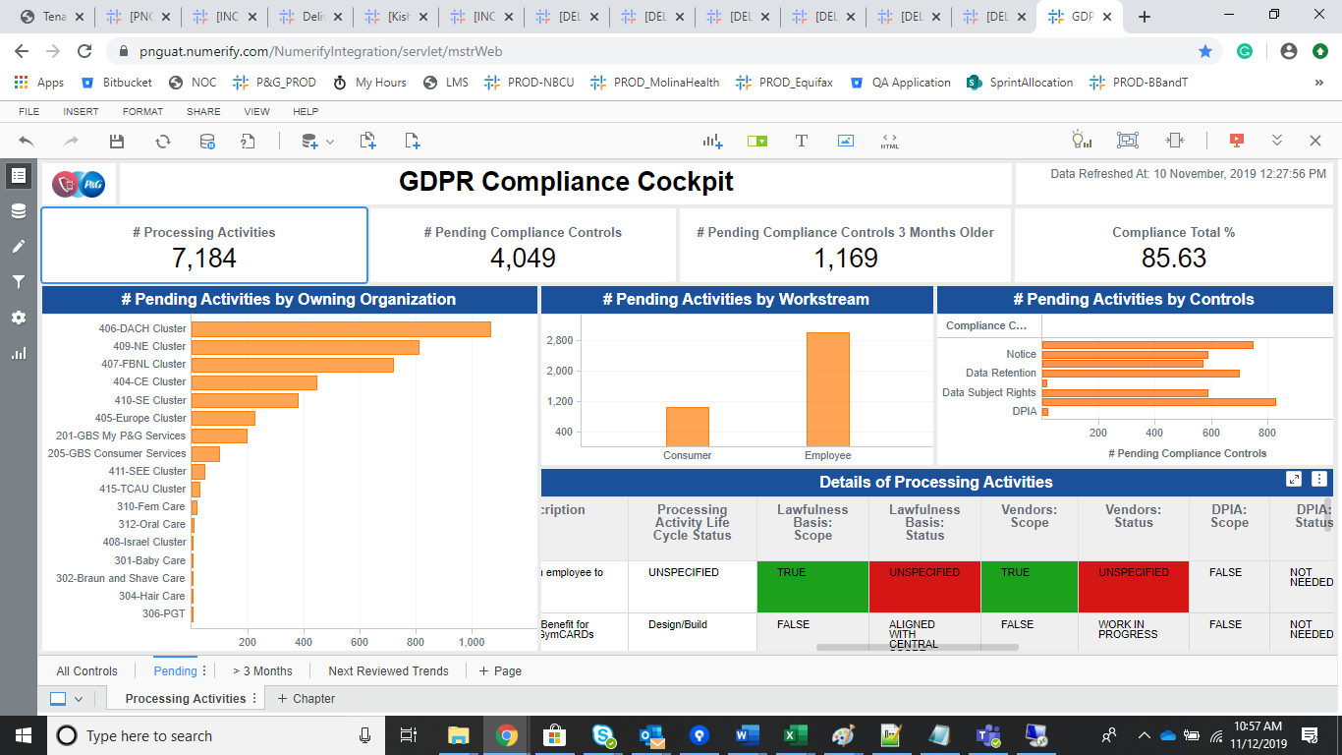
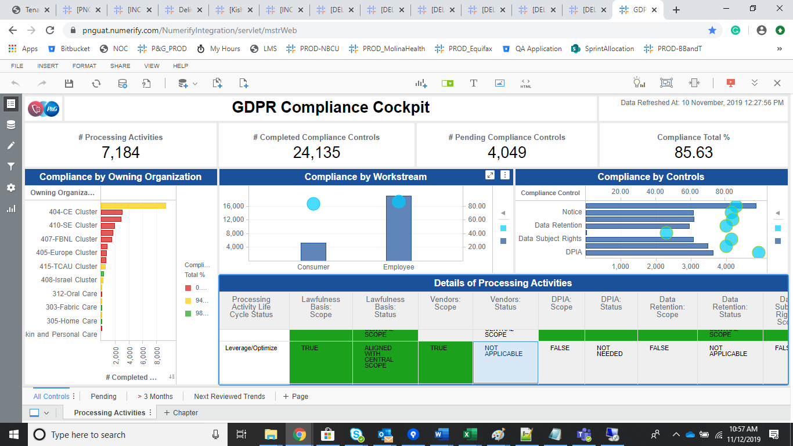
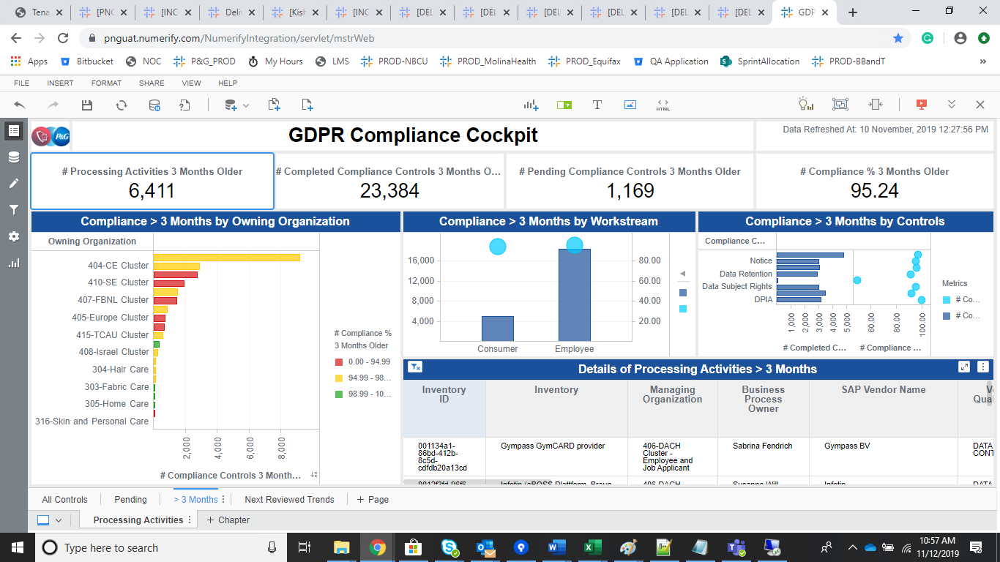
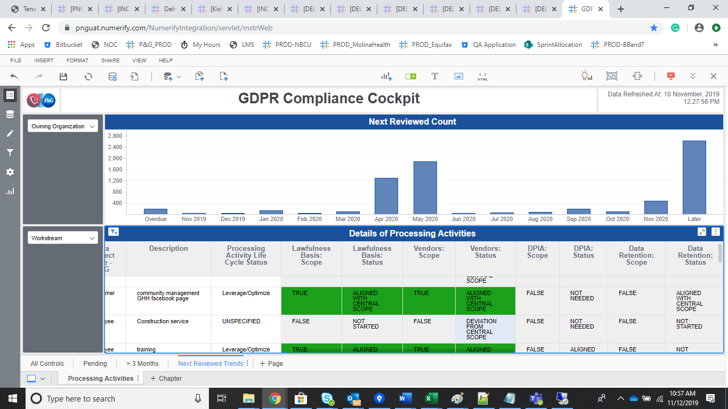
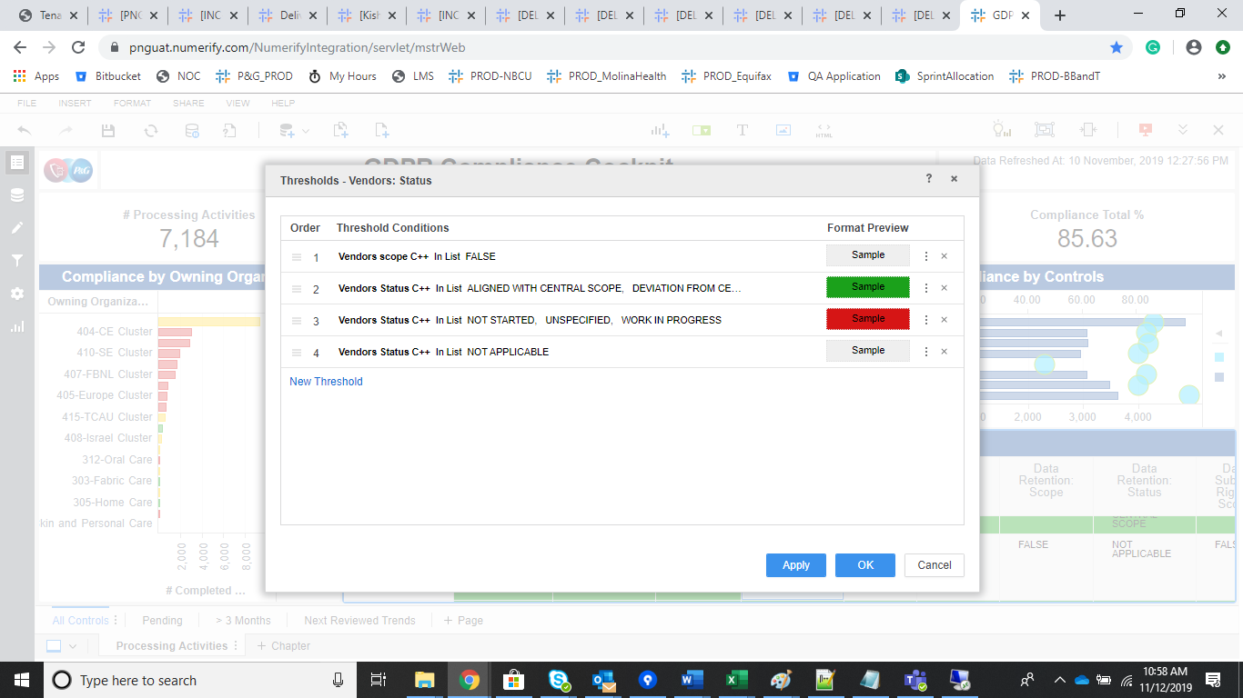
INDEX

TC_No | Test Case | Test Description | Expected Result | Actual Result | Result | Defect JIRA # | Comments
1 | DELV-20090 | P&G: CR-393 Numerita GDPR Compliance Cockpit - Pending Compliance Controls | "I believe I found a minor mistake in GDPR Compliance Cockpit report. When the compliance check "Vendors: Status" is answered as "Not Applicable" but "Vendors: Scope" is "True", the record is marked as having Pending Compliance Controls. The information that "Vendors" compliance check should be set as "Not Applicable" for some records was provided by Purchasing and I think that this should count as Completed Compliance Control." I have requested the User for additional information like few Application id's. Waiting for the same. * Please see Zendesk Support tab for further comments and attachments. | The Logic has been updated on for the Vendor Status | Pass

 |  | Inventory ID
 |  | 12a206ec-62b1-4947-adf3-4edffb9c1133

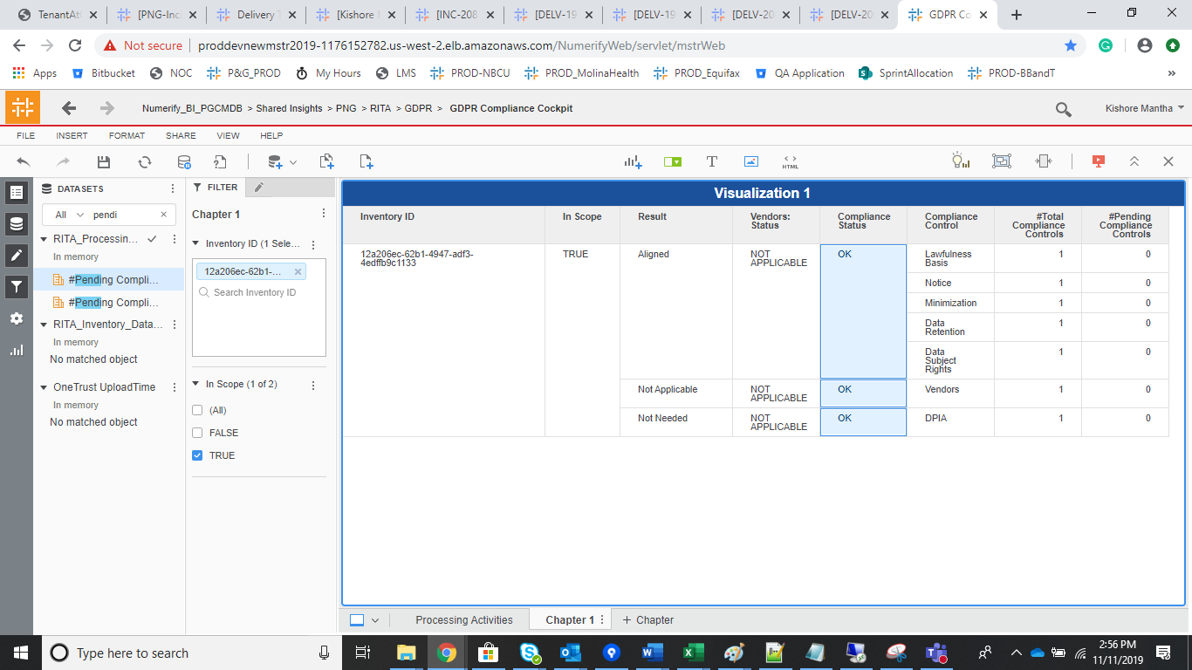

DELV-19002

 | Vendor Compliance |  |  | Other than Vendor Compliance

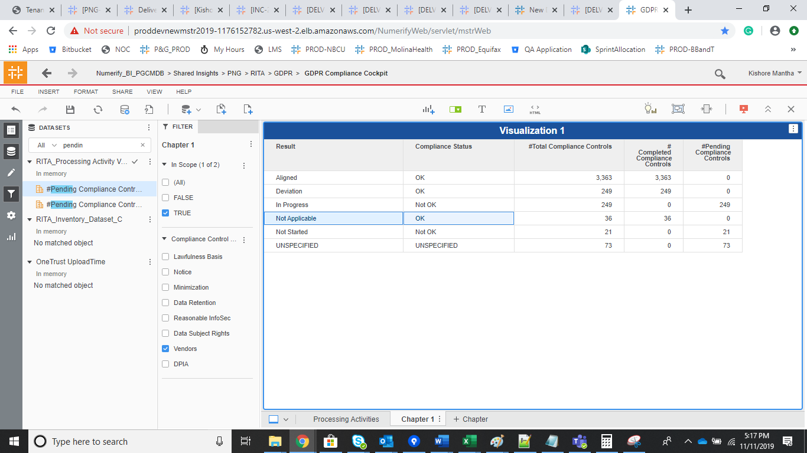
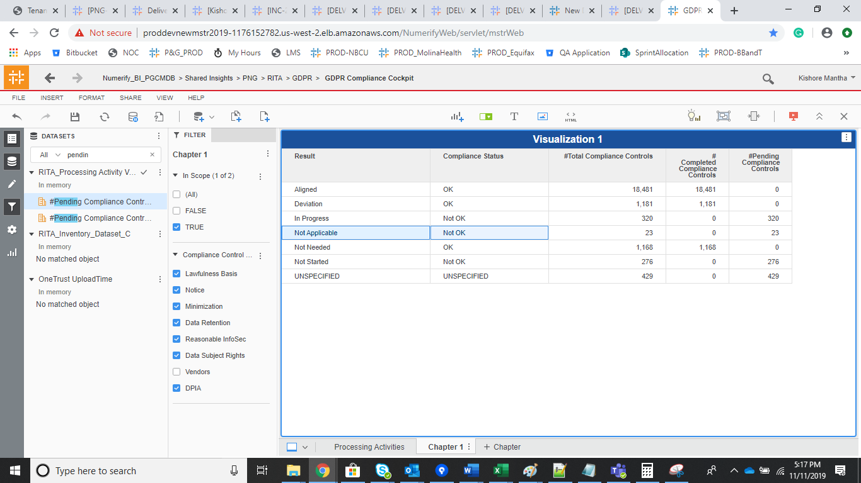

DELV-18954

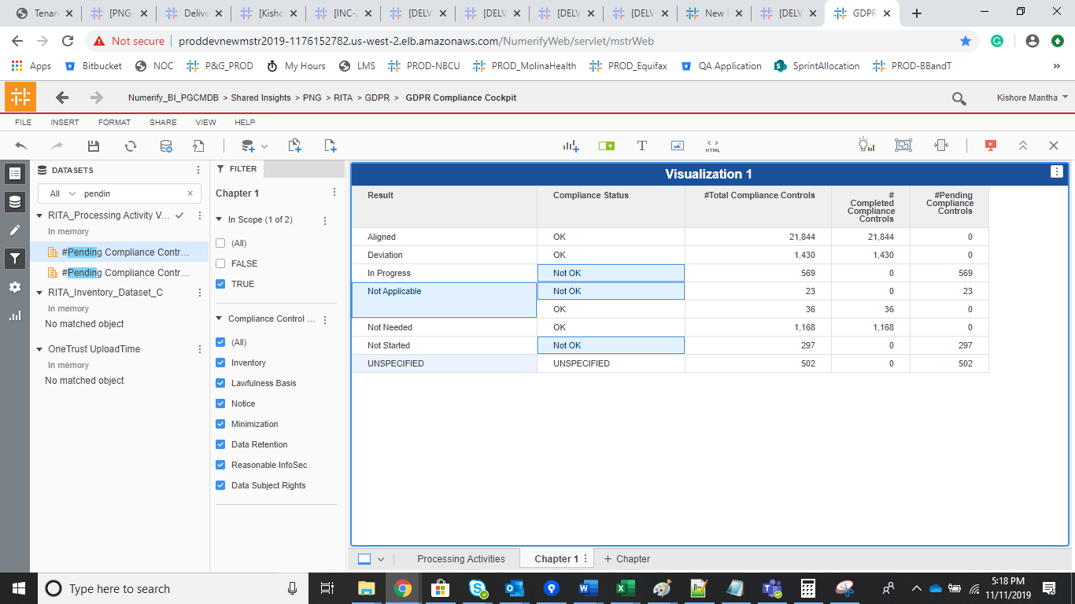

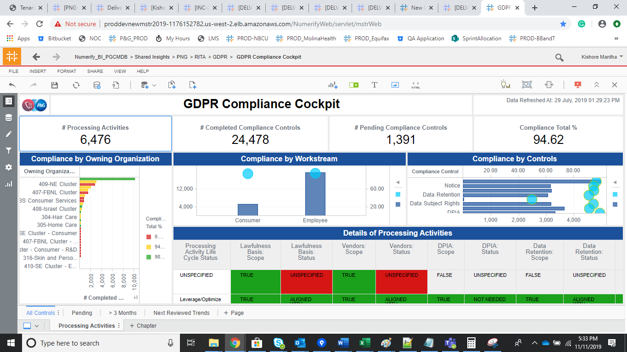
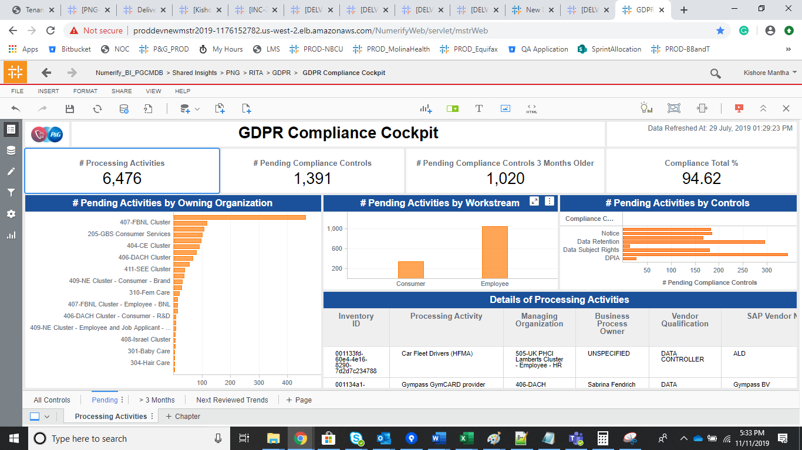

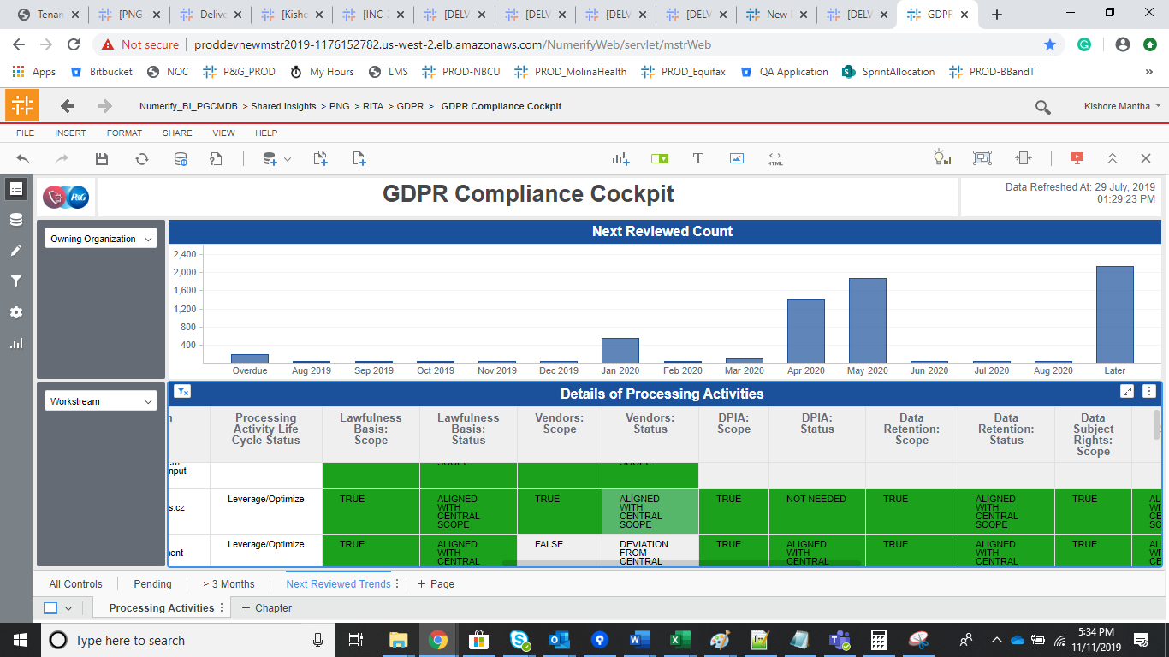
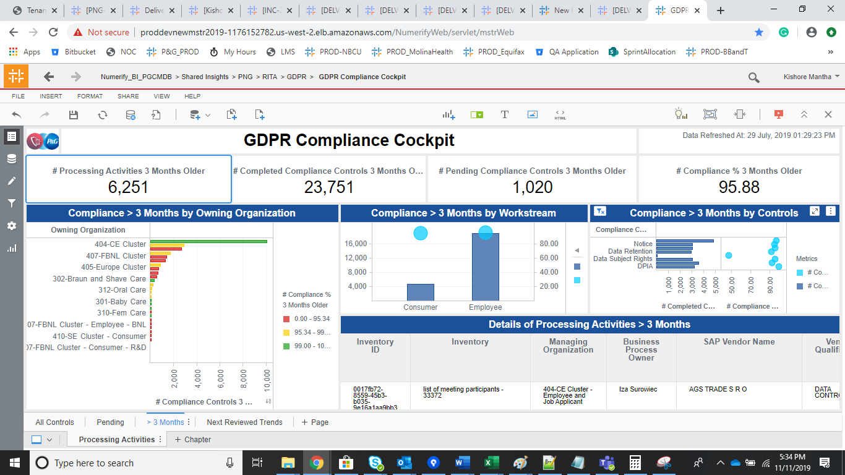

 | UAT Validation
 |  |  |  | 12a206ec-62b1-4947-adf3-4edffb9c1133

